Description
Observed shortcomings of Roth conversion resources
Most existing resources/calculators are overly user-driven in that they provide some options like "lump sum", "fill desired tax bracket", "set dollar amount each year", etc. But this assumes people somehow already know which of these they want to do. IMO it should be the onus of the tool / advisor to be able to be flexible enough to consider all of these and recommend a strategy/course of action based on maximizing the objective of the user, one common one is just maximizing wealth. So, the user should be able to express their goal is to maximize wealth, provide all their other relevant inputs, and the tool should be able to simulate every possible scenario given these inputs and spit out the one that maximizes wealth. Albeit not exactly the same, this tool uses NPV as a proxy for wealth, since the ability to actually spend money (i.e. cash flows) is what gives it value.
The boldin tool is the only one I've seen so far which captures this appropriately
Tool Description
a common financial strategy in early years of retirement is to spread roth conversions across a number of lower-than-previously years (since now retired) to minimize taxes from RMDs of traditional IRA later on. The idea is it's advantageous to pay a lower tax rate now to convert part of the traditional IRA balance into tax-free Roth than to be forced to pay a higher tax rate down the line due to RMDs and the projected growth of the traditional IRA balance. However, you may not have to wait until retirement to take advantage of this optimization. Anyone who finds themselves in a lower-than-normal income year could consider this.
This tool is designed to help people who may find themselves with lower than usual income in a given year to take actions which may be advantageous for their finances. One of these actions is a traditional to roth conversion, which you'll find all sorts of mentions of online. However, what you probably won't find is an easy way to answer the question: "so, what's the optimal amount of money I should convert from my traditional retirement savings to roth?" This tool attempts to help you answer that question.
The initial audience for this tool was graduate school students who had previously worked full-time prior to taking time off for full-time graduate school. But the tool could help people in a variety of situations, such as people working on a startup opting not to pay themselves for a while, people taking unpaid time off for parental leave, or any other break from full-time work that results in a year with lower than usual income and thus lower than usual taxes. The tool assumes a one-time conversion in year 0, followed by 30 years of work, followed by 20 years of retirement, followed by liquidation of any remaining retirement account balances in year 51.
The analysis revolves around the notion of "filling up" progressive tax brackets by minimizing your marginal tax rate to maximize long term wealth. The tool essentially tries every possible roth conversion amount you could undertake and figures out which one maximizes total value over this 51 year time period, expressed in today's dollars (net present value). You can see the starting default values leave just enough unconverted in the traditional IRA such that only the lowest tax brackets (10 and 12%) are paid when the balance is ultimately drawn down. Plugging in different input values and studying the generated output helps build some intuition for what the tool is doing - you'll see the drivers and boundary conditions are usually around filling lower tax brackets and avoiding the next larger one.
Note on inflation: You may notice that the annual retirement distribution amounts during the twenty year retirement period are in today's dollars and think "wait, shouldn't these be adjusted for inflation? I don't think $100K in today's dollars will be worth the same in 50 years." You're right, and the reason they're not is that the tool neither adjusts future tax brackets for inflation, and because of this the impact on NPV is offsetting. In reality, tax brackets are pegged to inflation rates, so both the tax bracket and the distribution amounts will increase by the same rates over time.
mfj?
Limitations
1. The tool analysis only supports a single roth conversion in year 0. You may want to spread the conversions across several low income years in order to minimize the tax bill in any one given year or stay out of increasingly higher marginal tax brackets. For example, a student entering a full-time 2-year MBA essentially has three lower than usual tax years they could spread conversions across. The first year they only have ~6mo of income from Jan 1-start of the program (aug/sep), the second year they only have ~3mo of summer internship income, and their third year likely mimics the first yet reversed with the 6mo of income coming in the back half of the tax year once they start working full-time again.
2. The tool doesn't account for potential interaction with other tax advantageous actions that could be undertaken during a low income year. For example, a common candidate here would be the realization of long term capital gains which might typically be taxed at 15% or even 20%. Maybe you've built up a concentrated position in a single stock which you'd like to diversify out of, but are neglecting to do so based on the impending tax bill (first off, this is irrational since the value of diversification into an index is likely higher than 15%, but alas I sympathize). If you didn't have enough ordinary income or roth conversion to push out of the 0% LTCG bracket, it could make sense to fill the remainder of this bucket with realized LTCG, which would be tax free.
3. The tool doesn't incorporate any value that may derive from the usage of traditional/roth IRAs in estate planning and wealth transfer. If these variables were to be included, it would likely tip the scales even further towards the Roth. While both vehicles are subject to the 10 year rule (both must be drawn down within 10 years of receipt), traditional withdrawals are taxable and mandate required minimum distributions (RMDs), while the Roth can be drawn down tax-free at any point within the 10 years, making it an efficient and flexible estate planning tool.

Observed shortcomings of Roth conversion resources
Most existing resources/calculators are overly user-driven in that they provide some options like "lump sum", "fill desired tax bracket", "set dollar amount each year", etc. But this assumes people somehow already know which of these they want to do. IMO it should be the onus of the tool / advisor to be able to be flexible enough to consider all of these and recommend a strategy/course of action based on maximizing the objective of the user, one common one is just maximizing wealth. So, the user should be able to express their goal is to maximize wealth, provide all their other relevant inputs, and the tool should be able to simulate every possible scenario given these inputs and spit out the one that maximizes wealth. Albeit not exactly the same, this tool uses NPV as a proxy for wealth, since the ability to actually spend money (i.e. cash flows) is what gives it value.

The boldin tool is the only one I've seen so far which captures this appropriately

Tool Description

a common financial strategy in early years of retirement is to spread roth conversions across a number of lower-than-previously years (since now retired) to minimize taxes from RMDs of traditional IRA later on. The idea is it's advantageous to pay a lower tax rate now to convert part of the traditional IRA balance into tax-free Roth than to be forced to pay a higher tax rate down the line due to RMDs and the projected growth of the traditional IRA balance. However, you may not have to wait until retirement to take advantage of this optimization. Anyone who finds themselves in a lower-than-normal income year could consider this.

This tool is designed to help people who may find themselves with lower than usual income in a given year to take actions which may be advantageous for their finances. One of these actions is a traditional to roth conversion, which you'll find all sorts of mentions of online. However, what you probably won't find is an easy way to answer the question: "so, what's the optimal amount of money I should convert from my traditional retirement savings to roth?" This tool attempts to help you answer that question.

The initial audience for this tool was graduate school students who had previously worked full-time prior to taking time off for full-time graduate school. But the tool could help people in a variety of situations, such as people working on a startup opting not to pay themselves for a while, people taking unpaid time off for parental leave, or any other break from full-time work that results in a year with lower than usual income and thus lower than usual taxes.

The tool assumes a one-time conversion in year 0, followed by 30 years of work, followed by 20 years of retirement, followed by liquidation of any remaining retirement account balances in year 51.

The analysis revolves around the notion of "filling up" progressive tax brackets by minimizing your marginal tax rate to maximize long term wealth. The tool essentially tries every possible roth conversion amount you could undertake and figures out which one maximizes total value over this 51 year time period, expressed in today's dollars (net present value). You can see the starting default values leave just enough unconverted in the traditional IRA such that only the lowest tax brackets (10 and 12%) are paid when the balance is ultimately drawn down. Plugging in different input values and studying the generated output helps build some intuition for what the tool is doing - you'll see the drivers and boundary conditions are usually around filling lower tax brackets and avoiding the next larger one.

Note on inflation: You may notice that the annual retirement distribution amounts during the twenty year retirement period are in today's dollars and think "wait, shouldn't these be adjusted for inflation? I don't think $100K in today's dollars will be worth the same in 50 years." You're right, and the reason they're not is that the tool neither adjusts future tax brackets for inflation, and because of this the impact on NPV is offsetting. In reality, tax brackets are pegged to inflation rates, so both the tax bracket and the distribution amounts will increase by the same rates over time.

mfj?

Limitations

1. The tool analysis only supports a single roth conversion in year 0. You may want to spread the conversions across several low income years in order to minimize the tax bill in any one given year or stay out of increasingly higher marginal tax brackets. For example, a student entering a full-time 2-year MBA essentially has three lower than usual tax years they could spread conversions across. The first year they only have ~6mo of income from Jan 1-start of the program (aug/sep), the second year they only have ~3mo of summer internship income, and their third year likely mimics the first yet reversed with the 6mo of income coming in the back half of the tax year once they start working full-time again.

2. The tool doesn't account for potential interaction with other tax advantageous actions that could be undertaken during a low income year. For example, a common candidate here would be the realization of long term capital gains which might typically be taxed at 15% or even 20%. Maybe you've built up a concentrated position in a single stock which you'd like to diversify out of, but are neglecting to do so based on the impending tax bill (first off, this is irrational since the value of diversification into an index is likely higher than 15%, but alas I sympathize). If you didn't have enough ordinary income or roth conversion to push out of the 0% LTCG bracket, it could make sense to fill the remainder of this bucket with realized LTCG, which would be tax free.

3. The tool doesn't incorporate any value that may derive from the usage of traditional/roth IRAs in estate planning and wealth transfer. If these variables were to be included, it would likely tip the scales even further towards the Roth. While both vehicles are subject to the 10 year rule (both must be drawn down within 10 years of receipt), traditional withdrawals are taxable and mandate required minimum distributions (RMDs), while the Roth can be drawn down tax-free at any point within the 10 years, making it an efficient and flexible estate planning tool.

Optimizer
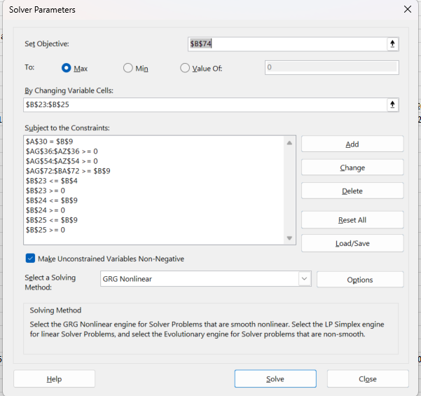
How to use:
1. First provide your own values for the input variables to the left (values in blue). Some example values are provided to start with.
2. Update values in "Tax Brackets" sheet with the tax bracket values for your filing status for the given tax year, along with values for your state if your state has state income tax. The tool starts assuming MFJ status, which may not be your filing status. If this is the case, the easiest thing is probably to just overwrite the values in this column in the "Tax Brackets" sheet, since these are the values used in the Optimizer.
3. Run Solver (Data->Solver) to maximize the objective function (net present value, or NPV) by changing the variables subject to the constraints (see screenshot to the right for more detail)
Fixed Inputs
Tax Year | 2024
Current Age | 29
Traditional (Pre-Tax) 401K/IRA Balance | $300,000.00
Ordinary Income this tax year (i.e. Jan 1-Dec 31) | $92,200.00 | $400,000.00 | $400,000.00
Investment return, working years | 10%
Investment return, retirement | 6%
annual withdrawal in retirement | $250,000 | i.e. each year in retirement, withdraw this amount from combo of Traditional/Roth. This is in nominal future dollar terms
Tax Liability without any Roth Conversion | $15,210.00 | $103,373.00 | $103,373.00
Federal tax at 10% | $23,200.00 | $23,200.00 | $23,200.00
Federal tax at 12% | $69,000.00 | $71,100.00 | $71,100.00
Federal tax at 22% | $0.00 | $106,750.00 | $106,750.00
Federal tax at 24% | $0.00 | $182,850.00 | $182,850.00
Federal tax at 32% | $0.00 | $16,100.00 | $16,100.00
Federal tax at 35% | $0.00 | $0.00 | $0.00
Federal tax at 37% | $0.00 | $0.00 | $0.00
State Tax at 5% | $92,200.00 | $400,000.00 | $400,000.00
State Tax at 9% | $0.00 | $0.00 | $0.00
Overall Tax Payment | $15,210.00 | $103,373.00 | $103,373.00

Variables
Traditional->Roth Conversion Amount y0 | $291,240 | i.e. how many dollars optimally converted from Traditional to Roth
Traditional->Roth Conversion Amount y1 | $0
Traditional->Roth Conversion Amount y2 | $0
Annual Withdrawal from Traditional | $0
Annual Withdrawal from Roth | $250,000

Constraints |  |  | Plain English Explanation
$291,240 | <= | $300,000.00 | Can't convert more than you have!
$291,240 | >= | 0 | Can't convert a negative amount
$0 | <= | $9,636.39 | second year conversion amount must be less than traditional balance in second year
$0 | >= | 0 | Can't convert a negative amount
$0 | <= | $10,600.03 | third year conversion amount must be less than traditional balance in third year
$0 | >= | 0 | Can't convert a negative amount
$250,000 | = | $250,000 | Together, the withdrawal amounts from traditional and roth must equal the annual retirement withdrawal amount

Scenario |  |  |  |  |  |  |  |  |  |  |  |  |  |  |  |  |  |  |  |  |  |  |  |  |  |  |  |  |  |  |  | Start 20 years of withdrawal
 |  |  |  |  |  |  |  |  |  |  |  |  |  |  |  |  |  |  |  |  |  |  |  |  |  |  |  |  |  |  |  | NOTE: withdrawal cash flow not adjusted for inflation because tax brackets are not either (in this model that is. in real life they do change with inflation), so the real tax impact should be the same as modelling as inflation adjusted withdrawal cash flow and inflation adjusted tax brackets |  |  |  |  |  |  |  |  |  |  |  |  |  |  |  |  |  |  |  | Liquidate | NOTE: Liquidation assumption is just to incorporate ending balances into NPV calculation
Time | 0 | 1 | 2 | 3 | 4 | 5 | 6 | 7 | 8 | 9 | 10 | 11 | 12 | 13 | 14 | 15 | 16 | 17 | 18 | 19 | 20 | 21 | 22 | 23 | 24 | 25 | 26 | 27 | 28 | 29 | 30 | 31 | 32 | 33 | 34 | 35 | 36 | 37 | 38 | 39 | 40 | 41 | 42 | 43 | 44 | 45 | 46 | 47 | 48 | 49 | 50 | 51
Year | 2024 | 2025 | 2026 | 2027 | 2028 | 2029 | 2030 | 2031 | 2032 | 2033 | 2034 | 2035 | 2036 | 2037 | 2038 | 2039 | 2040 | 2041 | 2042 | 2043 | 2044 | 2045 | 2046 | 2047 | 2048 | 2049 | 2050 | 2051 | 2052 | 2053 | 2054 | 2055 | 2056 | 2057 | 2058 | 2059 | 2060 | 2061 | 2062 | 2063 | 2064 | 2065 | 2066 | 2067 | 2068 | 2069 | 2070 | 2071 | 2072 | 2073 | 2074 | 2075
Traditional 401K Balance | $8,760.35 | $9,636 | $10,600 | $11,660 | $12,826 | $14,109 | $15,519 | $17,071 | $18,779 | $20,656 | $22,722 | $24,994 | $27,494 | $30,243 | $33,267 | $36,594 | $40,254 | $44,279 | $48,707 | $53,578 | $58,935 | $64,829 | $71,312 | $78,443 | $86,287 | $94,916 | $104,407 | $114,848 | $126,333 | $138,966 | $152,863 | $162,034.66 | $171,756.74 | $182,062.14 | $192,985.87 | $204,565.02 | $216,838.92 | $229,849.26 | $243,640.21 | $258,258.63 | $273,754.15 | $290,179.39 | $307,590.16 | $326,045.57 | $332,566.48 | $338,696.13 | $344,423.68 | $349,684.50 | $354,479.30 | $358,668.60 | $362,170.29 | $383,900.51
Required Minimum Distribution (RMD) |  |  |  |  |  |  |  |  |  |  |  |  |  |  |  |  |  |  |  |  |  |  |  |  |  |  |  |  |  |  |  | $0.00 | $0.00 | $0.00 | $0.00 | $0.00 | $0.00 | $0.00 | $0.00 | $0.00 | $0.00 | $0.00 | $0.00 | $0.00 | $12,303.61 | $13,041.82 | $13,768.14 | $14,532.64 | $15,270.07 | $16,112.70 | $16,998.51 | $17,929.22
Withdrawal Cash Flow |  |  |  |  |  |  |  |  |  |  |  |  |  |  |  |  |  |  |  |  |  |  |  |  |  |  |  |  |  |  |  | $0.00 | $0.00 | $0.00 | $0.00 | $0.00 | $0.00 | $0.00 | $0.00 | $0.00 | $0.00 | $0.00 | $0.00 | $0.00 | $12,303.61 | $13,041.82 | $13,768.14 | $14,532.64 | $15,270.07 | $16,112.70 | $16,998.51 | $383,900.51
PV of Withdrawal cash flow |  |  |  |  |  |  |  |  |  |  |  |  |  |  |  |  |  |  |  |  |  |  |  |  |  |  |  |  |  |  |  | $0.00 | $0.00 | $0.00 | $0.00 | $0.00 | $0.00 | $0.00 | $0.00 | $0.00 | $0.00 | $0.00 | $0.00 | $0.00 | $300.53 | $300.53 | $299.30 | $298.04 | $295.44 | $294.10 | $292.70 | $6,236.32
Total PV of withdrawal CFs | $8,316.95
Amount of income taxed at Federal 10% |  |  |  |  |  |  |  |  |  |  |  |  |  |  |  |  |  |  |  |  |  |  |  |  |  |  |  |  |  |  |  | $0.00 | $0.00 | $0.00 | $0.00 | $0.00 | $0.00 | $0.00 | $0.00 | $0.00 | $0.00 | $0.00 | $0.00 | $0.00 | $12,303.61 | $13,041.82 | $13,768.14 | $14,532.64 | $15,270.07 | $16,112.70 | $16,998.51 | $23,200.00
Amount of income taxed at Federal 12% |  |  |  |  |  |  |  |  |  |  |  |  |  |  |  |  |  |  |  |  |  |  |  |  |  |  |  |  |  |  |  | $0.00 | $0.00 | $0.00 | $0.00 | $0.00 | $0.00 | $0.00 | $0.00 | $0.00 | $0.00 | $0.00 | $0.00 | $0.00 | $0.00 | $0.00 | $0.00 | $0.00 | $0.00 | $0.00 | $0.00 | $71,100.00
Amount of income taxed at Federal 22% |  |  |  |  |  |  |  |  |  |  |  |  |  |  |  |  |  |  |  |  |  |  |  |  |  |  |  |  |  |  |  | $0.00 | $0.00 | $0.00 | $0.00 | $0.00 | $0.00 | $0.00 | $0.00 | $0.00 | $0.00 | $0.00 | $0.00 | $0.00 | $0.00 | $0.00 | $0.00 | $0.00 | $0.00 | $0.00 | $0.00 | $106,750.00
Amount of income taxed at Federal 24% |  |  |  |  |  |  |  |  |  |  |  |  |  |  |  |  |  |  |  |  |  |  |  |  |  |  |  |  |  |  |  | $0.00 | $0.00 | $0.00 | $0.00 | $0.00 | $0.00 | $0.00 | $0.00 | $0.00 | $0.00 | $0.00 | $0.00 | $0.00 | $0.00 | $0.00 | $0.00 | $0.00 | $0.00 | $0.00 | $0.00 | $182,850.00
Amount of income taxed at Federal 32% |  |  |  |  |  |  |  |  |  |  |  |  |  |  |  |  |  |  |  |  |  |  |  |  |  |  |  |  |  |  |  | $0.00 | $0.00 | $0.00 | $0.00 | $0.00 | $0.00 | $0.00 | $0.00 | $0.00 | $0.00 | $0.00 | $0.00 | $0.00 | $0.00 | $0.00 | $0.00 | $0.00 | $0.00 | $0.00 | $0.00 | $0.51
Amount of income taxed at Federal 35% |  |  |  |  |  |  |  |  |  |  |  |  |  |  |  |  |  |  |  |  |  |  |  |  |  |  |  |  |  |  |  | $0.00 | $0.00 | $0.00 | $0.00 | $0.00 | $0.00 | $0.00 | $0.00 | $0.00 | $0.00 | $0.00 | $0.00 | $0.00 | $0.00 | $0.00 | $0.00 | $0.00 | $0.00 | $0.00 | $0.00 | $0.00
Amount of income taxed at Federal 37% |  |  |  |  |  |  |  |  |  |  |  |  |  |  |  |  |  |  |  |  |  |  |  |  |  |  |  |  |  |  |  | $0.00 | $0.00 | $0.00 | $0.00 | $0.00 | $0.00 | $0.00 | $0.00 | $0.00 | $0.00 | $0.00 | $0.00 | $0.00 | $0.00 | $0.00 | $0.00 | $0.00 | $0.00 | $0.00 | $0.00 | $0.00
Amount of income taxed at State 5% |  |  |  |  |  |  |  |  |  |  |  |  |  |  |  |  |  |  |  |  |  |  |  |  |  |  |  |  |  |  |  | $0.00 | $0.00 | $0.00 | $0.00 | $0.00 | $0.00 | $0.00 | $0.00 | $0.00 | $0.00 | $0.00 | $0.00 | $0.00 | $12,303.61 | $13,041.82 | $13,768.14 | $14,532.64 | $15,270.07 | $16,112.70 | $16,998.51 | $383,900.51
Amount of income taxed at State 9% |  |  |  |  |  |  |  |  |  |  |  |  |  |  |  |  |  |  |  |  |  |  |  |  |  |  |  |  |  |  |  | $0.00 | $0.00 | $0.00 | $0.00 | $0.00 | $0.00 | $0.00 | $0.00 | $0.00 | $0.00 | $0.00 | $0.00 | $0.00 | $0.00 | $0.00 | $0.00 | $0.00 | $0.00 | $0.00 | $0.00 | $0.00
Overall Tax Payment |  |  |  |  |  |  |  |  |  |  |  |  |  |  |  |  |  |  |  |  |  |  |  |  |  |  |  |  |  |  |  | $0.00 | $0.00 | $0.00 | $0.00 | $0.00 | $0.00 | $0.00 | $0.00 | $0.00 | $0.00 | $0.00 | $0.00 | $0.00 | $1,845.54 | $1,956.27 | $2,065.22 | $2,179.90 | $2,290.51 | $2,416.90 | $2,549.78 | $97,416.19
PV of Tax payment |  |  |  |  |  |  |  |  |  |  |  |  |  |  |  |  |  |  |  |  |  |  |  |  |  |  |  |  |  |  |  | $0.00 | $0.00 | $0.00 | $0.00 | $0.00 | $0.00 | $0.00 | $0.00 | $0.00 | $0.00 | $0.00 | $0.00 | $0.00 | $45.08 | $45.08 | $44.90 | $44.71 | $44.32 | $44.11 | $43.91 | $1,582.49
Total PV of tax payments | $1,894.58
NPV of traditional | $6,422.37
Converted into Roth Balance | $291,240 | $320,364 | $352,400 | $387,640 | $426,404 | $469,044 | $515,949 | $567,544 | $624,298 | $686,728 | $755,401 | $830,941 | $914,035 | $1,005,438 | $1,105,982 | $1,216,580 | $1,338,238 | $1,472,062 | $1,619,268 | $1,781,195 | $1,959,315 | $2,155,246 | $2,370,771 | $2,607,848 | $2,868,633 | $3,155,496 | $3,471,046 | $3,818,150 | $4,199,965 | $4,619,962 | $5,081,958 | $5,121,875.26 | $5,164,187.78 | $5,209,039.04 | $5,256,581.39 | $5,306,976.27 | $5,360,394.85 | $5,417,018.54 | $5,477,039.65 | $5,540,662.03 | $5,608,101.75 | $5,679,587.86 | $5,755,363.13 | $5,835,684.91 | $5,920,826.01 | $6,011,075.57 | $6,106,740.10 | $6,208,144.51 | $6,315,633.18 | $6,429,571.17 | $6,550,345.44 | $6,943,366.17
ordinary taxable income | $383,439.65 | $400,000.00 | $400,000.00
Withdrawal Cash Flow |  |  |  |  |  |  |  |  |  |  |  |  |  |  |  |  |  |  |  |  |  |  |  |  |  |  |  |  |  |  |  | $250,000.00 | $250,000.00 | $250,000.00 | $250,000.00 | $250,000.00 | $250,000.00 | $250,000.00 | $250,000.00 | $250,000.00 | $250,000.00 | $250,000.00 | $250,000.00 | $250,000.00 | $250,000.00 | $250,000.00 | $250,000.00 | $250,000.00 | $250,000.00 | $250,000.00 | $250,000.00 | $6,943,366.17
PV of Withdrawal cash flow |  |  |  |  |  |  |  |  |  |  |  |  |  |  |  |  |  |  |  |  |  |  |  |  |  |  |  |  |  |  |  | $13,024.67 | $12,287.43 | $11,591.91 | $10,935.77 | $10,316.76 | $9,732.79 | $9,181.88 | $8,662.15 | $8,171.84 | $7,709.28 | $7,272.91 | $6,861.23 | $6,472.86 | $6,106.47 | $5,760.82 | $5,434.74 | $5,127.11 | $4,836.90 | $4,563.11 | $4,304.82 | $112,792.32
Total PV of withdrawal CFs | $271,147.79
Amount of income taxed at Federal 10% | $23,200.00 | $23,200.00 | $23,200.00
Amount of income taxed at Federal 12% | $71,100.00 | $71,100.00 | $71,100.00
Amount of income taxed at Federal 22% | $106,750.00 | $106,750.00 | $106,750.00
Amount of income taxed at Federal 24% | $182,389.65 | $182,850.00 | $182,850.00
Amount of income taxed at Federal 32% | $0.00 | $16,100.00 | $16,100.00
Amount of income taxed at Federal 35% | $0.00 | $0.00 | $0.00
Amount of income taxed at Federal 37% | $0.00 | $0.00 | $0.00
Amount of income taxed at State 5% | $383,439.65 | $400,000.00 | $400,000.00
Amount of income taxed at State 9% | $0.00 | $0.00 | $0.00
Overall Tax Payment | $97,282.50 | $103,373.00 | $103,373.00
Tax that would have been paid on ordinary income without any roth conversion | $15,210.00 | $103,373.00 | $103,373.00
Resulting Additional Tax Payment | $82,072.50 | $0.00 | $0.00
PV of tax payment | $82,072.50 | $0.00 | $0.00
Total PV of tax payments | $82,072.50
after-tax combined withdrawal amount across Traditional and Roth |  |  |  |  |  |  |  |  |  |  |  |  |  |  |  |  |  |  |  |  |  |  |  |  |  |  |  |  |  |  |  | $250,000.00 | $250,000.00 | $250,000.00 | $250,000.00 | $250,000.00 | $250,000.00 | $250,000.00 | $250,000.00 | $250,000.00 | $250,000.00 | $250,000.00 | $250,000.00 | $250,000.00 | $260,458.07 | $261,085.55 | $261,702.92 | $262,352.75 | $262,979.56 | $263,695.79 | $264,448.73 | $7,229,850.49
After-Tax wealth |  |  |  |  |  |  |  |  |  |  |  |  |  |  |  |  |  |  |  |  |  |  |  |  |  |  |  |  |  |  |  |  |  |  |  |  |  |  |  |  |  |  |  |  |  |  |  |  |  |  |  | $7,229,850.49
NPV of Roth | $189,075.29 |  |  |  |  |  |  |  |  |  |  |  |  |  |  |  |  |  |  |  |  |  |  |  |  |  |  |  |  |  |  |  |  |  |  |  |  |  |  |  |  |  |  |  |  |  |  |  |  |  |  | $7,327,266.68
NPV | $195,497.66

Balance Roth yr. 50 | $6,550,345.44
Balance Traditional yr. 50 | $362,170.29
Total IRA Balance yr. 50 | $6,912,515.73

Uniform Lifetime Table
https://www.irs.gov/publications/p590b#en_US_2023_publink100090310

Age at which RMDs kick-in |  | 73
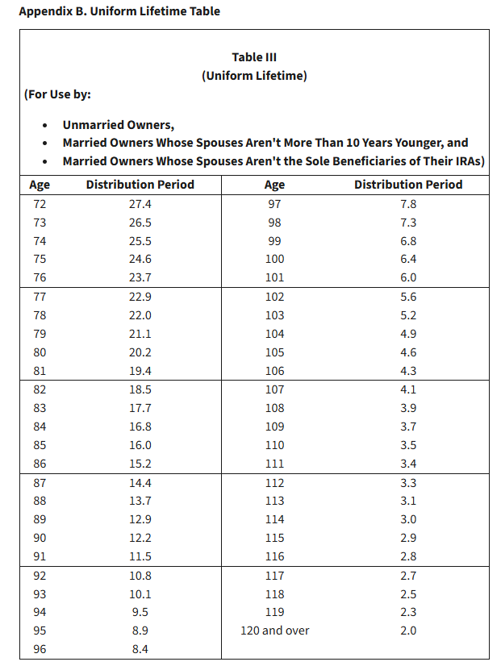
Age | Distribution Period
72 | 27.4
73 | 26.5
74 | 25.5
75 | 24.6
76 | 23.7
77 | 22.9
78 | 22
79 | 21.1
80 | 20.2
81 | 19.4
82 | 18.5
83 | 17.7
84 | 16.8
85 | 16
86 | 15.2
87 | 14.4
88 | 13.7
89 | 12.9
90 | 12.2
91 | 11.5
92 | 10.8
93 | 10.1
94 | 9.5
95 | 8.9
96 | 8.4
97 | 7.8
98 | 7.3
99 | 6.8
100 | 6.4
101 | 6
102 | 5.6
103 | 5.2
104 | 4.9
105 | 4.6
106 | 4.3
107 | 4.1
108 | 3.9
109 | 3.7
110 | 3.5
111 | 3.4
112 | 3.3
113 | 3.1
114 | 3
115 | 2.9
116 | 2.8
117 | 2.7
118 | 2.5
119 | 2.3
120 and over | 2

Resources
How capital gains income interacts ("stacks on top of") with ordinary income | https://www.kitces.com/blog/long-term-capital-gains-bump-zone-higher-marginal-tax-rate-phase-in-0-rate/

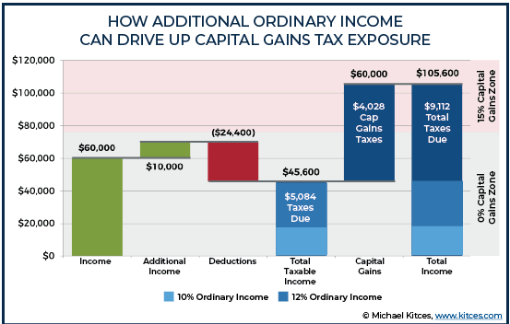

Other learnings:
- Roth distributions in retirement do not "push up" other taxable income into higher tax brackets. So you can take any amount of qualified Roth distributions and also fill the first 0% LTCG bracket with investment sales without paying any tax

